Sheet1
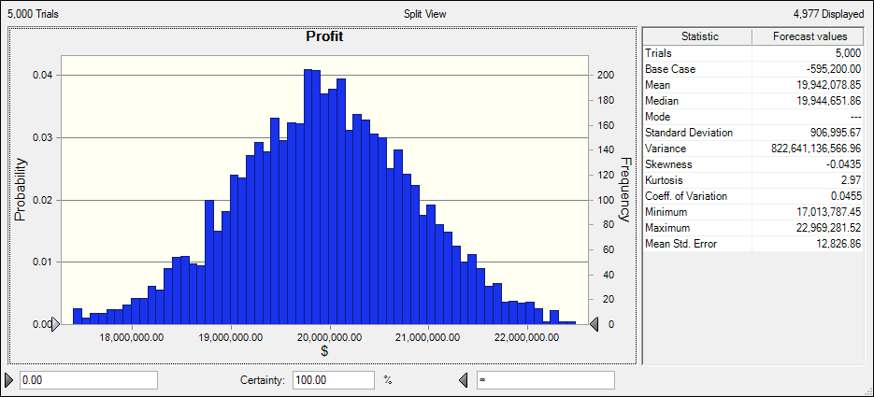
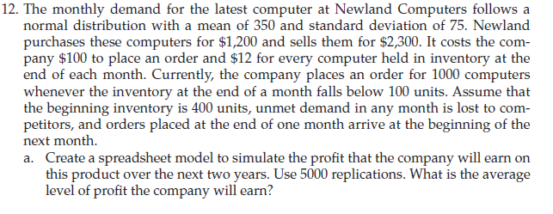

Purchase price | 1200
sale price | 2300
order cost | 100
hold cost | 12

 | Months | Beginning |  | Demand # | End | Inventroy | place order |  |  | Inventory | order cost | Competitor | Decision Variable
 |  | Inventory | Demand | satisfied | Inventory | position | Y=1, N=0 | Purchase | sales | cost |  | lost | Reorder point | 100
 | 1 | 400 | 0 | 0 | 400 | 400 | 0 | 480000 | 0 | 4800 | 0 | 0 | Quantity | 1000
 | 2 | 400 | 0 | 0 | 400 | 400 | 0 | 0 | 0 | 4800 | 0 | 0
 | 3 | 400 | 0 | 0 | 400 | 400 | 0 | 0 | 0 | 4800 | 0 | 0 | Forecast
 | 4 | 400 | 0 | 0 | 400 | 400 | 0 | 0 | 0 | 4800 | 0 | 0 | Profit | -595200
 | 5 | 400 | 0 | 0 | 400 | 400 | 0 | 0 | 0 | 4800 | 0 | 0
 | 6 | 400 | 0 | 0 | 400 | 400 | 0 | 0 | 0 | 4800 | 0 | 0
 | 7 | 400 | 0 | 0 | 400 | 400 | 0 | 0 | 0 | 4800 | 0 | 0
 | 8 | 400 | 0 | 0 | 400 | 400 | 0 | 0 | 0 | 4800 | 0 | 0
 | 9 | 400 | 0 | 0 | 400 | 400 | 0 | 0 | 0 | 4800 | 0 | 0
 | 10 | 400 | 0 | 0 | 400 | 400 | 0 | 0 | 0 | 4800 | 0 | 0
 | 11 | 400 | 0 | 0 | 400 | 400 | 0 | 0 | 0 | 4800 | 0 | 0
 | 12 | 400 | 0 | 0 | 400 | 400 | 0 | 0 | 0 | 4800 | 0 | 0
 | 13 | 400 | 0 | 0 | 400 | 400 | 0 | 0 | 0 | 4800 | 0 | 0
 | 14 | 400 | 0 | 0 | 400 | 400 | 0 | 0 | 0 | 4800 | 0 | 0
 | 15 | 400 | 0 | 0 | 400 | 400 | 0 | 0 | 0 | 4800 | 0 | 0
 | 16 | 400 | 0 | 0 | 400 | 400 | 0 | 0 | 0 | 4800 | 0 | 0
 | 17 | 400 | 0 | 0 | 400 | 400 | 0 | 0 | 0 | 4800 | 0 | 0
 | 18 | 400 | 0 | 0 | 400 | 400 | 0 | 0 | 0 | 4800 | 0 | 0
 | 19 | 400 | 0 | 0 | 400 | 400 | 0 | 0 | 0 | 4800 | 0 | 0
 | 20 | 400 | 0 | 0 | 400 | 400 | 0 | 0 | 0 | 4800 | 0 | 0
 | 21 | 400 | 0 | 0 | 400 | 400 | 0 | 0 | 0 | 4800 | 0 | 0
 | 22 | 400 | 0 | 0 | 400 | 400 | 0 | 0 | 0 | 4800 | 0 | 0
 | 23 | 400 | 0 | 0 | 400 | 400 | 0 | 0 | 0 | 4800 | 0 | 0
 | 24 | 400 | 0 | 0 | 400 | 400 | 0 | 0 | 0 | 4800 | 0 | 0
 |  |  |  |  |  |  | Total | 480000 | 0 | 115200 | 0 | 0

